TEKSTYLIA NIKE
Nike Swim Textiles

Symbol | Name | Color | EAN | Product Image | Net Price | SRP | SIZE | Available Quantity | Ordered Quantity
NESSF267 | Nike Elevated Essential | 001 Black | 5063012640430 | 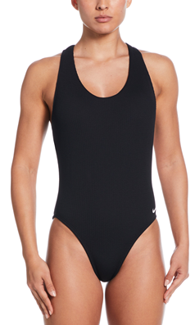 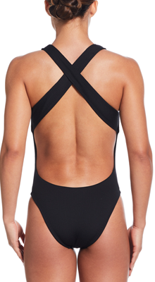 | 13,500 | 27,000
 |  |  | 5063012640416 |  | - | - | S | 2
 |  |  | 5063012640409 |  | - | - | M | 2
 |  |  | 5063012640393 |  | - | - | L | 2
 |  |  | 5063012640423 |  | - | -
NESSF252 | Nike Terry | 001 BLACK | 5063012639113 | 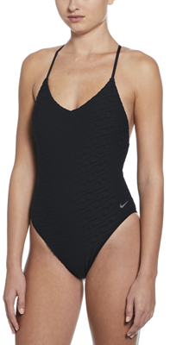 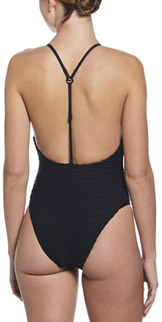 | 13,500 | 27,000 | XS | 29
 |  |  | 5063012639090 |  | - | - | S | 55
 |  |  | 5063012639083 |  | - | - | M | 45
 |  |  | 5063012639076 |  | - | - | L | 35
 |  |  | 5063012639106 |  | - | - | XL | 17
 |  |  | 5063012639120 |  | - | -
NESSF252 | Nike Terry | 364 STADIUM GREEN | 5063012639236 | 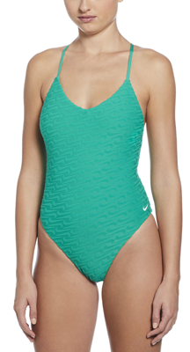 | 13,500 | 27,000 | XS | 26
 |  |  | 5063012639212 |  | - | - | S | 51
 |  |  | 5063012639205 |  | - | - | M | 46
 |  |  | 5063012639199 |  | - | - | L | 31
 |  |  | 5063012639229 |  | - | - | XL | 14
 |  |  | 5063012639243 |  | - | - | XXL
NESSF252 | Nike Terry | 438 university blue | 5063012639274 | 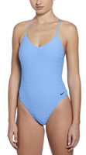 | 13,500 | 27,000 | S | 3
 |  |  | 5063012639267 |  | - | - | M | 3
 |  |  | 5063012639250 |  | - | - | L | 2
NESSF227 | Nike Sneakerkini 2.0 | 001 Black | 5063012636051 | 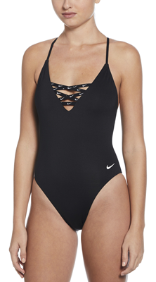 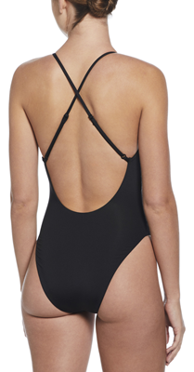 | 12,500 | 25,000 | XS
 |  |  | 5063012636037 |  | - | - | S | 8
 |  |  | 5063012636020 |  | - | - | M | 13
 |  |  | 5063012636013 |  | - | - | L | 10
 |  |  | 5063012636044 |  | - | - | XL | 7
 |  |  | 5063012636068 |  | - | - | XXL | 4
NESSF227 | Nike Sneakerkini 2.0 | 678 hyper pinkk | 5063012636099 | 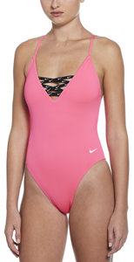 | 12,500 | 25,000 | S | 6
 |  |  | 5063012636082 |  | - | - | M | 5
 |  |  | 5063012636075 |  | - | - | L | 2
 |  |  | 5063012636105 |  | - | - | XL | 2
NESSF289 | Nike Digi Floral | 001 Black | 5063012640898 | 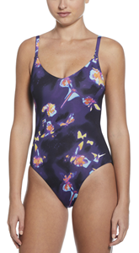 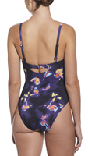 | 12,500 | 25,000 | S | 4
 |  |  | 5063012640881 |  | - | - | M | 6
 |  |  | 5063012640874 |  | - | - | L | 1
 |  |  | 5063012640904 |  | - | - | XL | 2
NESSF231 | Nike Essential | 001 BLACK | 5063012636532 | 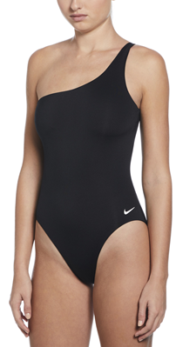 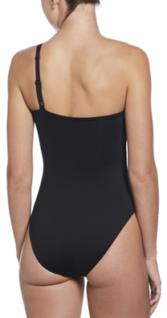 | 12,000 | 24,000 | XS | 26
 |  |  | 5063012636518 |  | - | - | S | 56
 |  |  | 5063012636501 |  | - | - | M | 51
 |  |  | 5063012636495 |  | - | - | L | 35
 |  |  | 5063012636525 |  | - | - | XL | 17
 |  |  | 5063012636549 |  | - | - | XXL | 2
NESSF231 | Nike Essential | 678 hyper pink | 5063012636594 | 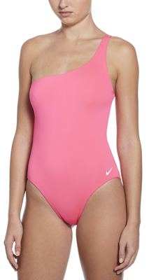 | 12,000 | 24,000 | XS | 14
 |  |  | 5063012636570 |  | - | - | S | 32
 |  |  | 5063012636563 |  | - | - | M | 30
 |  |  | 5063012636556 |  | - | - | L | 20
 |  |  | 5063012636587 |  | - | - | XL | 11
 |  |  | 5063012636600 |  | - | - | XXL
NESSF232 | Nike Essential | 001 BLACK | 5063012636655 | 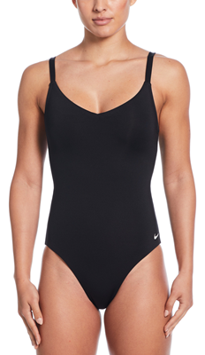 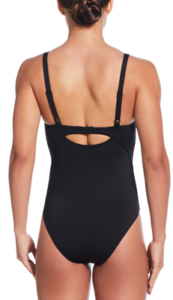 | 12,000 | 24,000 | XS | 74
 |  |  | 5063012636631 |  | - | - | S | 91
 |  |  | 5063012636624 |  | - | - | M | 74
 |  |  | 5063012636617 |  | - | - | L | 61
 |  |  | 5063012636648 |  | - | - | XL | 40
 |  |  | 5063012636662 |  | - | - | XXL | 1
NESSF232 | Nike Essential | 364 STADIUM GREEN | 5063012636839 | 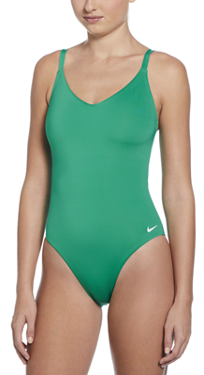 | 12,000 | 24,000 | XS | 11
 |  |  | 5063012636815 |  | - | - | S | 28
 |  |  | 5063012636808 |  | - | - | M | 25
 |  |  | 5063012636792 |  | - | - | L | 15
 |  |  | 5063012636822 |  | - | - | XL | 5
 |  |  | 5063012636846 |  | - | - | XXL
NESSF232 | Nike Essential | 206 BAROQUE BROWN |  | 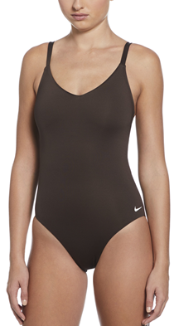 | 12,000 | 24,000 | XS
 |  |  | 5063012636754 |  | - | - | S | 5
 |  |  | 5063012636747 |  | - | - | M | 5
 |  |  | 5063012636730 |  | - | - | L | 4
 |  |  | 5063012636761 |  | - | - | XL | 3
 |  |  | 5063012636785 |  | - | - | XXL
NESSF232 | Nike Essential | 687 RUSH PINK | 5063012790036 | 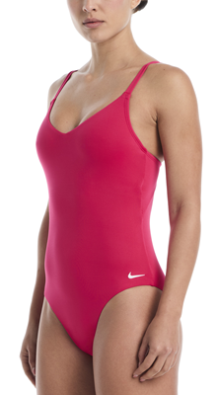 | 12,000 | 24,000 | XS | 2
 |  |  | 5063012790180 |  | - | - | S | 3
 |  |  | 5063012790173 |  | - | - | M | 4
 |  |  | 5063012790166 |  | - | - | L | 4
 |  |  | 5063012790197 |  | - | - | XL | 3
 |  |  | 5063012790210 |  | - | - | XXL | 1
NESSF232 | Nike Essential | 438 university blue |  | 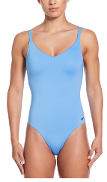 | 12,000 | 24,000 | XS
 |  |  | 5063012636877 |  | - | - | S | 2
 |  |  | 5063012636860 |  | - | - | M | 2
 |  |  | 5063012636853 |  | - | - | L | 2
 |  |  | 5063012636884 |  | - | - | XL | 2
 |  |  | 5063012636907 |  | - | - | XXL | 1
NESSE278 | NIKE ELEVATED ESSENTIAL | 001 Black | 5063012370375 | 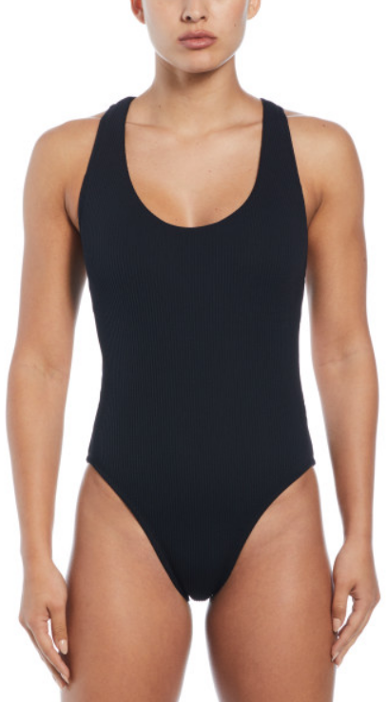 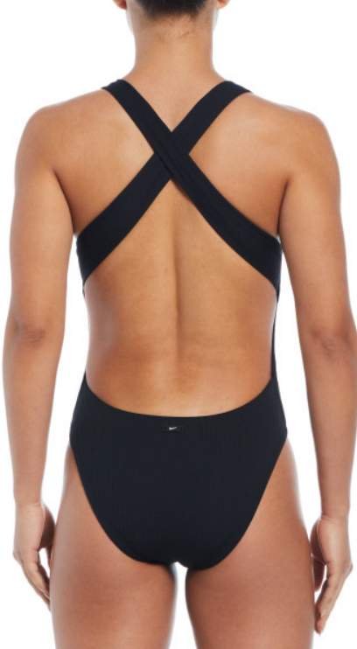 | 13,500 | 27,000 | XS | 8
 |  |  | 5063012370351 |  | - | - | S | 43
 |  |  | 5063012370344 |  | - | - | M | 39
 |  |  | 5063012370337 |  | - | - | L | 39
 |  |  | 5063012370368 |  | - | - | XL | 17
 |  |  |  |  | - | - | XXL
NESSE278 | NIKE ELEVATED ESSENTIAL | 302 bicoasta | 5063012370436 | 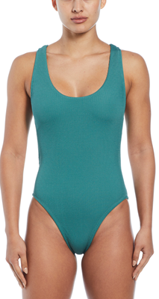 | 13,500 | 27,000 | XS | 2
 |  |  | 5063012370412 |  | - | - | S | 3
NESSE238 | Nike Sneakerkini | 001 black | 5063012369430 | 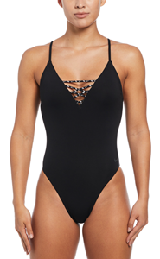 | 12,500 | 25,000 | XS | 20
 |  |  | 5063012369447 |  | - | - | S | 31
 |  |  | 5063012369454 |  | - | - | M | 14
 |  |  | 5063012369461 |  | - | - | L | 2
 |  |  | 5063012369478 |  | - | - | XL | 3
 |  |  |  |  | - | - | XXL
NESSE238 | Nike Sneakerkini | 639 hot punch |  | 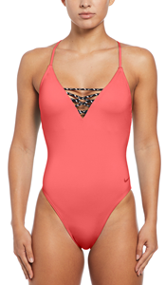 | 12,500 | 25,000 | XS
 |  |  | 5063012481538 |  | - | - | S | 24
 |  |  | 5063012481521 |  | - | - | M | 28
 |  |  | 5063012481514 |  | - | - | L | 27
 |  |  | 5063012481545 |  | - | - | XL | 20
 |  |  |  |  | - | - | XXL
NESSE238 | Nike Sneakerkini | 486 AQUARIUS BLUE | 5063012369492 | 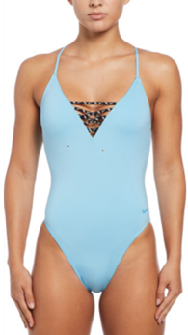 | 12,500 | 25,000 | XS | 45
 |  |  | 5063012369508 |  | - | - | S | 92
 |  |  | 5063012369515 |  | - | - | M | 101
 |  |  | 5063012369522 |  | - | - | L | 97
 |  |  | 5063012369539 |  | - | - | XL | 43
 |  |  |  |  | - | - | XXL
NESSC254 | Nike Sneakerkini | 001 Black | 5059436548001 | 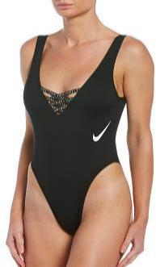 | 12,500 | 25,000 | XS | 5
 |  |  | 5059436547981 |  | - | - | S | 1
 |  |  | 5059436547974 |  | - | - | M | 2
 |  |  | 5059436547967 |  | - | - | L | 4
 |  |  | 5059436547998 |  | - | -
 |  |  | 5059436548018 |  | - | -
NESSE244 | Nike Dots | 001 Black | 5063012369652 | 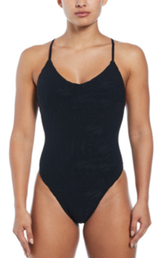 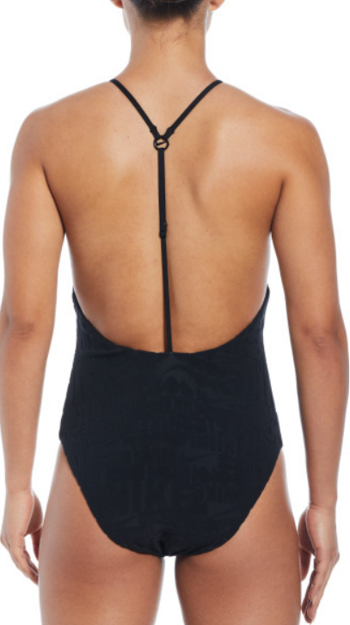 | 13,500 | 27,000 | XS | 27
 |  |  | 5063012369638 |  | - | - | S | 33
 |  |  | 5063012369621 |  | - | - | M | 38
 |  |  | 5063012369614 |  | - | - | L | 43
 |  |  | 5063012369645 |  | - | - | XL | 14
 |  |  | 5063012369669 |  | - | - | XXL | 1
NESSF243 | Nike Essential | 001 BLACK | 5063012638031 | 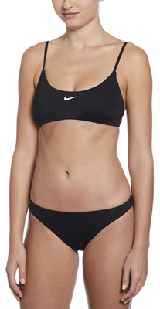 | 14,000 | 28,000 | XS | 16
 |  |  | 5063012638017 |  | - | - | S | 28
 |  |  | 5063012638000 |  | - | - | M | 31
 |  |  | 5063012637997 |  | - | - | L | 25
 |  |  | 5063012638024 |  | - | - | XL | 13
 |  |  | 5063012638048 |  | - | - | XXL | 4
NESSF243 | Nike Essential | 440 midnight navy | 5063012638093 | 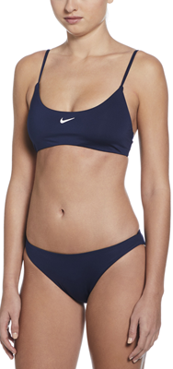 | 14,000 | 28,000 | XS | 8
 |  |  | 5063012638079 |  | - | - | S | 12
 |  |  | 5063012638062 |  | - | - | M | 15
 |  |  | 5063012638055 |  | - | - | L | 15
 |  |  | 5063012638086 |  | - | - | XL | 10
 |  |  | 5063012638109 |  | - | - | XXL | 1
NESSF243 | Nike Essential | 438 university blue | 5063012678310 | 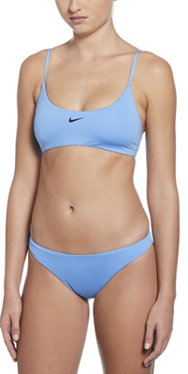 | 14,000 | 28,000 | XS | 2
 |  |  | 5063012678297 |  | - | - | S | 9
 |  |  | 5063012678280 |  | - | - | M | 11
 |  |  | 5063012678273 |  | - | - | L | 5
 |  |  | 5063012678303 |  | - | - | XL | 3
 |  |  | 5063012678327 |  | - | - | XXL | 1
NESSF243 | Nike Essential | 678 HYPER PINK |  | 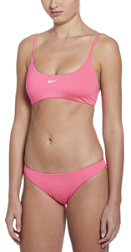 | 14,000 | 28,000 | XS
 |  |  | 5063012638130 |  | - | - | S | 4
 |  |  | 5063012638123 |  | - | - | M | 4
 |  |  | 5063012638116 |  | - | - | L | 3
 |  |  | 5063012638147 |  | - | - | XL | 2
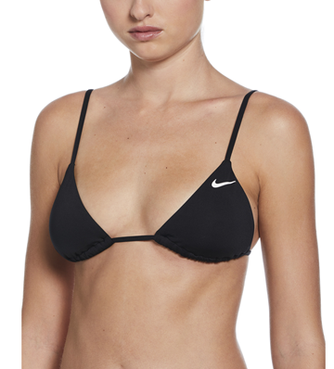
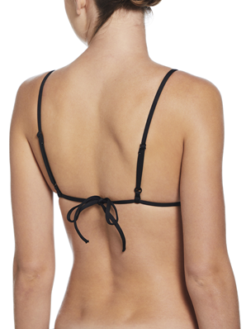
NESSF239 | Nike Essential | 001 Black | 5063012637133 |  | 9,000 | 18,000 | XS | 9
 |  |  | 5063012637119 |  | - | - | S | 20
 |  |  | 5063012637102 |  | - | - | M | 20
 |  |  | 5063012637096 |  | - | - | L | 10
 |  |  | 5063012637126 |  | - | - | XL | 2
NESSF239 | Nike Essential | 576 HYDRANGEAS | 5063012637317 | 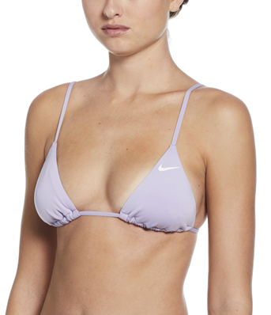 | 9,000 | 18,000 | XS | 8
 |  |  | 5063012637294 |  | - | - | S | 68
 |  |  | 5063012637287 |  | - | - | M | 61
 |  |  | 5063012637270 |  | - | - | L | 17
 |  |  | 5063012637300 |  | - | - | XL | 8
NESSF239 | Nike Essential | 740 BARELY VOLT | 5063012637430 | 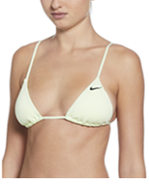 | 9,000 | 18,000 | XS
 |  |  | 5063012637416 |  | - | - | S | 4
 |  |  | 5063012637409 |  | - | - | M | 4
 |  |  | 5063012637393 |  | - | - | L | 3
 |  |  | 5063012637423 |  | - | - | XL
NESSF239 | Nike Essential | 206 BAROQUE BROWN | 5063012637256 | 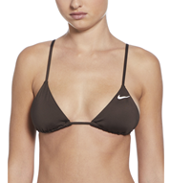 | 9,000 | 18,000 | XS | 1
 |  |  | 5063012637232 |  | - | - | S | 4
 |  |  | 5063012637225 |  | - | - | M | 4
 |  |  | 5063012637218 |  | - | - | L | 3
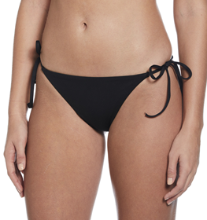
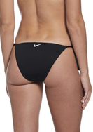
NESSF245 | Nike Essential | 001 Black | 5063012638215 |  | 8,500 | 17,000 | XS | 12
 |  |  | 5063012638192 |  | - | - | S | 17
 |  |  | 5063012638185 |  | - | - | M | 20
 |  |  | 5063012638178 |  | - | - | L | 12
 |  |  | 5063012638208 |  | - | - | XL | 2
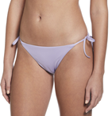
NESSF245 | Nike Essential | 576 HYDRANGEAS | 5063012638390 |  | 8,500 | 17,000 | XS | 6
 |  |  | 5063012638376 |  | - | - | S | 21
 |  |  | 5063012638369 |  | - | - | M | 23
 |  |  | 5063012638352 |  | - | - | L | 14
 |  |  | 5063012638383 |  | - | - | XL
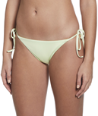
NESSF245 | Nike Essential | 740 BARELY VOLT | 5063012638512 |  | 8,500 | 17,000 | XS | 14
 |  |  | 5063012638499 |  | - | - | S | 30
 |  |  | 5063012638482 |  | - | - | M | 28
 |  |  | 5063012638475 |  | - | - | L | 19
 |  |  | 5063012638505 |  | - | - | XL | 8
NESSF245 | Nike Essential | 206 BAROQUE BROWN | 5063012638314 | 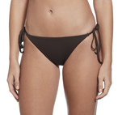 | 8,500 | 17,000 | S | 4
 |  |  | 5063012638307 |  | - | - | M | 4
 |  |  | 5063012638291 |  | - | - | L | 3
 |  |  | 5063012638222 |  | - | - | XXL | 2
NESSF014 | Nike Hydrastrong Multi Print | 500 PURPLE |  | 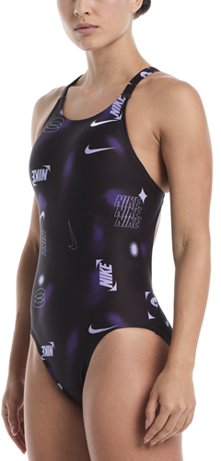 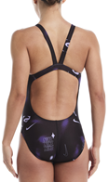 | 12,500 | 25,000 | 34
 |  |  | 5063012792139 |  | - | - | 36 | 2
 |  |  | 5063012792146 |  | - | - | 38 | 3
 |  |  | 5063012792153 |  | - | - | 40 | 3
 |  |  | 5063012792160 |  | - | - | 42 | 1
NESSF014 | Nike Hydrastrong Multi Print | 687 RUSH PINK |  | 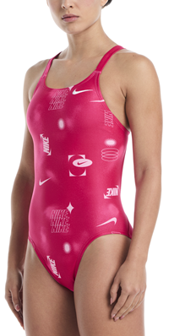 | 12,500 | 25,000 | 34
 |  |  | 5063012792245 |  | - | - | 36 | 2
 |  |  | 5063012792252 |  | - | - | 38 | 3
 |  |  | 5063012792269 |  | - | - | 40 | 3
 |  |  | 5063012792276 |  | - | - | 42 | 1
NESSF014 | Nike Hydrastrong Multi Print | 400 BLUE | 5063012643752 | 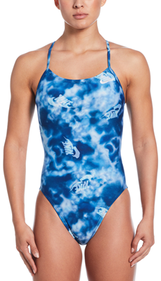 | 12,500 | 25,000 | 34
 |  |  | 5063012643769 |  | - | - | 36 | 19
 |  |  | 5063012643776 |  | - | - | 38 | 10
 |  |  | 5063012643783 |  | - | - | 40 | 2
 |  |  | 5063012643790 |  | - | - | 42
NESSF014 | Nike Hydrastrong Multi Print | 440 MIDNIGHT NAVY |  | 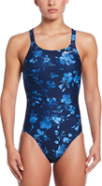 | 12,500 | 25,000 | 34
 |  |  | 5063012643479 |  | - | - | 36 | 4
 |  |  | 5063012643486 |  | - | - | 38 | 4
 |  |  | 5063012643493 |  | - | - | 40 | 3
 |  |  | 5063012643509 |  | - | - | 42 | 2
NESSF016 | Nike Hydrastrong Multi Print | 006 JET BLACK | 5063012643660 | 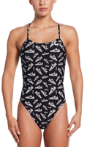 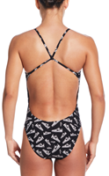 | 12,500 | 25,000 | 34 | 2
 |  |  | 5063012643677 |  | - | - | 36 | 5
 |  |  | 5063012643684 |  | - | - | 38 | 4
 |  |  | 5063012643691 |  | - | - | 40 | 3
 |  |  | 5063012643707 |  | - | - | 42 | 1
NESSF016 | Nike Hydrastrong Multi Print | 681 PINK FOAM | 5063012643844 |  | 12,500 | 25,000 | 34
 |  |  | 5063012643851 |  | - | - | 36 | 3
 |  |  | 5063012643868 |  | - | - | 38 | 3
 |  |  | 5063012643875 |  | - | - | 40 | 2
 |  |  |  |  | - | - | 42
NESSF016 | Nike Hydrastrong Multi Print | 864 BRIGHT CERAMIC |  |  | 12,500 | 25,000 | 34
 |  |  | 5063012792696 |  | - | - | 36 | 2
 |  |  | 5063012792702 |  | - | - | 38 | 3
 |  |  | 5063012792719 |  | - | - | 40 | 3
 |  |  | 5063012792726 |  | - | - | 42 | 1
NESSF016 | Nike Hydrastrong Multi Print | 500 PURPLE |  |  | 12,500 | 25,000 | 34
 |  |  | 5063012792511 |  | - | - | 36 | 5
 |  |  | 5063012792528 |  | - | - | 38 | 5
 |  |  | 5063012792535 |  | - | - | 40 | 5
 |  |  | 5063012792542 |  | - | - | 42 | 2
NESSE004 | NIKE HYDRASTRONG MULTI PRINT | 440 MIDNIGHT NAVY |  |  | 13,500 | 27,000 | 34
 |  |  | 5063012364947 |  | - | - | 36 | 3
 |  |  | 5063012364954 |  | - | - | 38 | 3
 |  |  | 5063012364961 |  | - | - | 40 | 4
 |  |  | 5063012364978 |  | - | - | 42 | 5
NESSE004 | NIKE HYDRASTRONG MULTI PRINT | 822 TOTAL ORANGE |  |  | 13,500 | 27,000 | 34
 |  |  | 5063012365050 |  | - | - | 36 | 4
 |  |  | 5063012365067 |  | - | - | 38 | 5
 |  |  | 5063012365074 |  | - | - | 40 | 5
 |  |  | 5063012365081 |  | - | - | 42 | 6
NESSF019 | Nike Hydrastrong Logo Graphic | 001 BLACK |  |   | 12,000 | 24,000 | 34
 |  |  | 5063012643943 |  | - | - | 36 | 5
 |  |  | 5063012643950 |  | - | - | 38 | 5
 |  |  | 5063012643967 |  | - | - | 40 | 5
 |  |  | 5063012643974 |  | - | - | 42 | 2
NESSF019 | Nike Hydrastrong Logo Graphic | 864 BRIGHT CERAMIC |  |  | 12,000 | 24,000 | 34
 |  |  | 5063012792788 |  | - | - | 36 | 5
 |  |  | 5063012792795 |  | - | - | 38 | 5
 |  |  | 5063012792801 |  | - | - | 40 | 5
 |  |  | 5063012792818 |  | - | - | 42 | 2
NESSF053 | Nike Hydrastrong Logo Graphic | 001 BLACK |  |   | 12,000 | 24,000 | 34
 |  |  | 5063012793198 |  | - | - | 36 | 5
 |  |  | 5063012793204 |  | - | - | 38 | 4
 |  |  | 5063012793211 |  | - | - | 40 | 4
 |  |  | 5063012793228 |  | - | - | 42 | 1
NESSF053 | Nike Hydrastrong Logo Graphic | 440 MIDNIGHT NAVY |  |  | 12,000 | 24,000 | 34
 |  |  | 5063012793303 |  | - | - | 36 | 5
 |  |  | 5063012793310 |  | - | - | 38 | 5
 |  |  | 5063012793327 |  | - | - | 40 | 3
 |  |  | 5063012793334 |  | - | - | 42 | 2
NESSA000 | NIKE Hydrastrong Solid | 001 Black | 5057764759335 |   | 10,000 | 20,000 | 34 | 2
 |  |  | 5057764759342 |  | - | - | 36 | 3
 |  |  | 5057764759359 |  | - | - | 38 | 1
 |  |  | 5057764759366 |  | - | - | 40
 |  |  | 5057764759373 |  | - | - | 42 | 2
NESSA000 | NIKE Hydrastrong Solid | 822 TOTAL ORANGE | 5063012348633 |  | 10,000 | 20,000 | 34 | 3
 |  |  | 5063012348640 |  | - | - | 36 | 4
 |  |  | 5063012348657 |  | - | - | 38 | 3
 |  |  | 5063012348664 |  | - | - | 40 | 2
 |  |  | 5063012348671 |  | - | - | 42 | 1
NESSE013 | NIKE HYDRASTRONG CHARMS MULTI GRAPHIC | 001 BLACK |  |   | 13,500 | 27,000 | 34
 |  |  | 5063012365975 |  | - | - | 36 | 1
 |  |  | 5063012365982 |  | - | - | 38 | 2
 |  |  | 5063012365999 |  | - | - | 40 | 2
 |  |  | 5063012366002 |  | - | - | 42 | 1
NESSD190 | Nike Fit Newbie Logo Tape | 001 BLACK | 5063012056439 |   | 12,500 | 25,000 | XS | 12
 |  |  | 5063012056415 |  | - | - | S | 6
 |  |  | 5063012056408 |  | - | - | M | 5
 |  |  | 5063012056392 |  | - | - | L | 19
 |  |  | 5063012056422 |  | - | - | XL | 10
 |  |  |  |  | - | - | XXL
NESSD190 | Nike Fit Newbie Logo Tape | 338 vapor green |  |   | 12,500 | 25,000 | XS
 |  |  | 5063012350001 |  | - | - | S | 49
 |  |  | 5063012349999 |  | - | - | M | 48
 |  |  | 5063012349982 |  | - | - | L | 37
NESSD190 | Nike Fit Newbie Logo Tape | 614 University red | 5063012635672 |  | 12,500 | 25,000 | S | 3
 |  |  | 5063012635665 |  | - | - | M | 3
 |  |  | 5063012635658 |  | - | - | L | 2
NESSA001 | NIKE Hydrastrong Solid | 001 Black | 5057764718448 |   | 11,500 | 23,000 | 34 | 1
 |  |  | 5057764718455 |  | - | - | 36 | 26
 |  |  | 5057764718462 |  | - | - | 38 | 40
 |  |  | 5057764718479 |  | - | - | 40 | 20
 |  |  | 5057764718486 |  | - | - | 42 | 19
NESSA001 | NIKE Hydrastrong Solid | 614 red | 5057764718998 |  | 11,500 | 23,000 | 34 | 9
 |  |  | 5057764719001 |  | - | - | 36 | 21
 |  |  | 5057764719018 |  | - | - | 38 | 34
 |  |  | 5057764719025 |  | - | - | 40 | 37
 |  |  | 5057764719032 |  | - | - | 42 | 19
NESSA001 | NIKE Hydrastrong Solid | 440 midnight navy | 5057764718776 |  | 11,500 | 23,000 | 34 | 6
 |  |  | 5057764718783 |  | - | - | 36 | 12
 |  |  | 5057764718790 |  | - | - | 38 | 41
 |  |  | 5057764718806 |  | - | - | 40 | 45
 |  |  | 5057764718813 |  | - | - | 42 | 11
 |  |  | 5902280201359 |  | - | - | 44 | 46
NESSA001 | NIKE Hydrastrong Solid | 678 HYPER PINK | 5059436583019 |  | 11,500 | 23,000 | 34
 |  |  | 5059436583026 |  | - | - | 36 | 3
 |  |  | 5059436583033 |  | - | - | 38 | 3
 |  |  | 5059436583040 |  | - | - | 40 | 2
NESSA001 | NIKE Hydrastrong Solid | 576 | 5063012642915 |  | 11,500 | 23,000 | 34
 |  |  | 5063012642922 |  | - | - | 36 | 3
 |  |  | 5063012642939 |  | - | - | 38 | 3
 |  |  | 5063012642946 |  | - | - | 40 | 2
NESSA001 | NIKE Hydrastrong Solid | 864 BRIGHT CERAMIC |  |  | 11,500 | 23,000 | 34
 |  |  | 5063012791828 |  | - | - | 36 | 6
 |  |  | 5063012791835 |  | - | - | 38 | 6
 |  |  | 5063012791842 |  | - | - | 40 | 6
 |  |  | 5063012791859 |  | - | - | 42 | 2
NESS7085 | Nike Solid | 001 BLACK | 5057193625164 |   | 8,000 | 16,000 | 36
 |  |  | 5057193625171 |  | - | - | 38
 |  |  | 5057193625188 |  | - | - | 40 | 20
 |  |  | 5057193625195 |  | - | - | 42
NESS7085 | Nike Solid | 494 GAME ROYAL | 5057193625409 |  | 8,000 | 16,000 | 36 | 3
 |  |  | 5057193625416 |  | - | - | 38 | 11
 |  |  | 5057193625423 |  | - | - | 40 | 19
 |  |  | 5057193625430 |  | - | - | 42 | 10
NESS8370 | NIKE Solid | 440 midnight navy | 5057193627700 |  | 8,000 | 16,000 | 34 | 27
 |  |  | 5057193627717 |  | - | - | 36 | 66
 |  |  | 5057193627724 |  | - | - | 38 | 57
 |  |  | 5057193627731 |  | - | - | 40 | 49
 |  |  | 5057193627748 |  | - | - | 42 | 26
NESS8370 | NIKE Solid | 001 Black | 5057193627465 |  | 8,000 | 16,000 | 34 | 10
 |  |  | 5057193627472 |  | - | - | 36 | 2
 |  |  | 5057193627489 |  | - | - | 38
 |  |  | 5057193627496 |  | - | - | 40 | 15
 |  |  | 5057193627502 |  | - | - | 42 | 6
KĄPIELÓWKI MĘSKIE |  |  |  |  | - | -
NESSA006 | Nike Hydrastrong Solid JAMMER | 001 Black | 5057764763660 |  | 10,500 | 21,000 | 75 | 7
 |  |  | 5057764763677 |  | - | - | 80 | 17
 |  |  | 5057764763684 |  | - | - | 85 | 20
 |  |  | 5057764763691 |  | - | - | 90 | 33
 |  |  | 5057764763707 |  | - | - | 95 | 34
 |  |  | 5057764763714 |  | - | - | 100 | 25
NESSA006 | Nike Hydrastrong Solid JAMMER | 440 midnight navy | 5057764764025 |  | 10,500 | 21,000 | 75 | 4
 |  |  | 5057764764032 |  | - | - | 80 | 1
 |  |  | 5057764764049 |  | - | - | 85 | 12
 |  |  | 5057764764056 |  | - | - | 90 | 13
 |  |  | 5057764764063 |  | - | - | 95 | 9
 |  |  | 5057764764070 |  | - | - | 100 | 8
NESSE646 | Nike Tossed Swoosh | 001 Black | 5063012481101 |   | 14,000 | 28,000 | XS
 |  |  | 5063012481118 |  | - | - | S | 19
 |  |  | 5063012481125 |  | - | - | M | 48
 |  |  | 5063012481132 |  | - | - | L | 43
 |  |  | 5063012481149 |  | - | - | XL | 39
 |  |  | 5063012481156 |  | - | - | XXL | 39
NESSA002 | Nike Hydrastrong Solid AQUASHORT | 001 Black | 5057764760157 |  | 10,000 | 20,000 | 75 | 51
 |  |  | 5057764760164 |  | - | - | 80 | 69
 |  |  | 5057764760171 |  | - | - | 85 | 82
 |  |  | 5057764760188 |  | - | - | 90 | 86
 |  |  | 5057764760195 |  | - | - | 95 | 76
 |  |  | 5057764760201 |  | - | - | 100 | 87
NESSA002 | Nike Hydrastrong Solid AQUASHORT | 440 Midnight navy | 5057764760249 |  | 10,000 | 20,000 | 75 | 38
 |  |  | 5057764760256 |  | - | - | 80 | 30
 |  |  | 5057764760263 |  | - | - | 85 | 59
 |  |  | 5057764760270 |  | - | - | 90 | 26
 |  |  | 5057764760287 |  | - | - | 95 | 54
 |  |  | 5057764760294 |  | - | - | 100 | 47
NESS8111 | Nike Solid | 001 Black |  |  | 6,000 | 12,000 | 75
 |  |  | 5057193626109 |  | - | - | 80 | 5
 |  |  | 5057193626116 |  | - | - | 85 | 8
 |  |  | 5057193626123 |  | - | - | 90 | 6
 |  |  | 5057193626130 |  | - | - | 95 | 5
 |  |  |  |  | - | - | 100
NESSA004 | Nike Hydrastrong Solid BRIEF | 001 Black | 5057764760515 |  | 8,500 | 17,000 | 75 | 38
 |  |  | 5057764760522 |  | - | - | 80 | 102
 |  |  | 5057764760539 |  | - | - | 85 | 88
 |  |  | 5057764760546 |  | - | - | 90 | 56
 |  |  | 5057764760553 |  | - | - | 95 | 56
 |  |  | 5057764760560 |  | - | - | 100 | 40
NESSA004 | Nike Hydrastrong Solid BRIEF | 438 university blue | 5063012350438 |  | 8,500 | 17,000 | 75 | 1
 |  |  | 5063012350445 |  | - | - | 80 | 2
 |  |  | 5063012350452 |  | - | - | 85 | 2
 |  |  | 5063012350469 |  | - | - | 90 | 8
 |  |  | 5063012350476 |  | - | - | 95 | 6
 |  |  | 5063012350483 |  | - | - | 100 | 2
NESSA004 | Nike Hydrastrong Solid BRIEF | 440 MIDNIGHT NAVY | 5057764760898 |  | 8,500 | 17,000 | 75 | 24
 |  |  | 5057764760904 |  | - | - | 80 | 71
 |  |  | 5057764760911 |  | - | - | 85 | 76
 |  |  | 5057764760928 |  | - | - | 90 | 52
 |  |  | 5057764760843 |  | - | - | 95 | 53
 |  |  | 5057764760850 |  | - | - | 100 | 33
DZIEWCZĘCE |  |  |  |  | - | -
NESSE046 | NIKE HYDRASTRONG MULTI PRINT | 001 Black |  |   | 11,500 | 23,000 | XS 120-130 cm
 |  |  | 5063012367016 |  | - | - | S 130-140 cm | 1
 |  |  | 5063012367023 |  | - | - | M 140-150 cm | 7
 |  |  | 5063012367030 |  | - | - | L 150-160 cm | 5
 |  |  |  |  | - | - | XL 160-170 cm
NESSF041 | NIKE HYDRASTRONG MULTI PRINT | 687 RUSH PINK | 5063012793433 |  | 10,000 | 20,000 | XS 120-130 cm | 1
 |  |  | 5063012793419 |  | - | - | S 130-140 cm | 3
 |  |  | 5063012793402 |  | - | - | M 140-150 cm | 3
 |  |  | 5063012793396 |  | - | - | L 150-160 cm | 3
 |  |  | 5063012793426 |  | - | - | XL 160-170 cm | 1
NESSF056 | NIKE HYDRASTRONG MULTI PRINT | 576 HYDRANGEAS | 5063012793488 |  | 9,500 | 19,000 | XS 120-130 cm | 2
 |  |  | 5063012793464 |  | - | - | S 130-140 cm | 5
 |  |  | 5063012793457 |  | - | - | M 140-150 cm | 5
 |  |  | 5063012793440 |  | - | - | L 150-160 cm | 5
 |  |  | 5063012793471 |  | - | - | XL 160-170 cm | 1
NESSF056 | NIKE HYDRASTRONG MULTI PRINT | 864 BRIGHT CERAMIC | 5063012793532 |   | 9,500 | 19,000 | XS 120-130 cm | 3
 |  |  | 5063012793518 |  | - | - | S 130-140 cm | 6
 |  |  | 5063012793501 |  | - | - | M 140-150 cm | 6
 |  |  | 5063012793495 |  | - | - | L 150-160 cm | 3
 |  |  |  |  | - | - | XL 160-170 cm
NESSE721 | Nike Retro Flow | 691 FIERCE PINK | 5063012357512 |   | 9,500 | 19,000 | M 140-150 cm | 1
 |  |  | 5063012357505 |  | - | - | L 150-160 cm | 1
 |  |  | 5063012357536 |  | - | - | XL 160-170 cm | 1
NESSF750 | Nike Brand Blast | 001 Black | 5063012789986 |  | 9,500 | 19,000 | XS 120-130 cm | 2
 |  |  | 5063012789962 |  | - | - | S 130-140 cm | 2
 |  |  | 5063012789955 |  | - | - | M 140-150 cm | 3
 |  |  | 5063012789948 |  | - | - | L 150-160 cm | 3
 |  |  | 5063012789979 |  | - | - | XL 160-170 cm | 2
NESSF750 | Nike Brand Blast | 687 RUSH PINK | 5063012790036 |  | 9,500 | 19,000 | XS 120-130 cm | 2
 |  |  | 5063012790012 |  | - | - | S 130-140 cm | 2
 |  |  | 5063012790005 |  | - | - | M 140-150 cm | 3
 |  |  | 5063012789993 |  | - | - | L 150-160 cm | 3
 |  |  | 5063012790029 |  | - | - | XL 160-170 cm | 2


NESSF041 | NIKE HYDRASTRONG MULTI PRINT | 400 BLUE |  |  | 10,000 | 20,000 | XS 120-130 cm
 |  |  | 5063012627608 |  | - | - | S 130-140 cm | 2
 |  |  | 5063012627592 |  | - | - | M 140-150 cm | 3
 |  |  | 5063012627585 |  | - | - | L 150-160 cm | 3
 |  |  | 5063012627615 |  | - | - | XL 160-170 cm | 2

NESSF730 | Nike Logo Tape | 001 Black | 5063012628827 |  | 9,000 | 18,000 | XS 120-130 cm | 2
 |  |  | 5063012628803 |  | - | - | S 130-140 cm | 4
 |  |  | 5063012628797 |  | - | - | M 140-150 cm | 6
 |  |  | 5063012628780 |  | - | - | L 150-160 cm | 7
 |  |  | 5063012628810 |  | - | - | XL 160-170 cm | 6

NESSF730 | Nike Logo Tape | 678 HYPER PINK | 5063012628872 |  | 9,000 | 18,000 | XS 120-130 cm
 |  |  | 5063012628858 |  | - | - | S 130-140 cm | 2
 |  |  | 5063012628841 |  | - | - | M 140-150 cm | 3
 |  |  | 5063012628834 |  | - | - | L 150-160 cm | 4
 |  |  | 5063012628865 |  | - | - | XL 160-170 cm | 4


NESSF734 | Nike Colorblock | 001 Black | 5063012628971 |  | 9,000 | 18,000 | XS 120-130 cm | 37
 |  |  | 5063012628957 |  | - | - | S 130-140 cm | 49
 |  |  | 5063012628940 |  | - | - | M 140-150 cm | 64
 |  |  | 5063012628933 |  | - | - | L 150-160 cm | 63
 |  |  | 5063012628964 |  | - | - | XL 160-170 cm | 40
NESSF734 | Nike Colorblock | 678 HYPER PINK |  |  | 9,000 | 18,000 | XS 120-130 cm
 |  |  | 5063012629008 |  | - | - | S 130-140 cm | 2
 |  |  | 5063012628995 |  | - | - | M 140-150 cm | 3
 |  |  | 5063012628988 |  | - | - | L 150-160 cm | 4
 |  |  | 5063012629015 |  | - | - | XL 160-170 cm | 4

NESSF734 | Nike Colorblock | 740 BARELY VOLT | 5063012629077 |  | 9,000 | 18,000 | XS 120-130 cm
 |  |  | 5063012629053 |  | - | - | S 130-140 cm | 2
 |  |  | 5063012629046 |  | - | - | M 140-150 cm | 3
 |  |  | 5063012629039 |  | - | - | L 150-160 cm | 4
 |  |  | 5063012629060 |  | - | - | XL 160-170 cm | 4
NESSF720 | Nike Signature Swoosh | 438 university blue | 5063012627875 |   | 9,000 | 18,000 | XS 120-130 cm | 17
 |  |  | 5063012627851 |  | - | - | S 130-140 cm | 27
 |  |  | 5063012627844 |  | - | - | M 140-150 cm | 27
 |  |  | 5063012627837 |  | - | - | L 150-160 cm | 24
 |  |  | 5063012627868 |  | - | - | XL 160-170 cm | 16

NESSF720 | Nike Signature Swoosh | 560 VIVID PURPLE | 5063012627929 |  | 9,000 | 18,000 | XS 120-130 cm | 20
 |  |  | 5063012627905 |  | - | - | S 130-140 cm | 25
 |  |  | 5063012627899 |  | - | - | M 140-150 cm | 32
 |  |  | 5063012627882 |  | - | - | L 150-160 cm | 32
 |  |  | 5063012627912 |  | - | - | XL 160-170 cm | 19
NESSF728 | Nike Logo Tape | 001 Black | 5063012628575 |  | 7,500 | 15,000 | XS 120-130 cm | 22
 |  |  | 5063012628551 |  | - | - | S 130-140 cm | 26
 |  |  | 5063012628544 |  | - | - | M 140-150 cm | 38
 |  |  | 5063012628537 |  | - | - | L 150-160 cm | 38
 |  |  | 5063012628568 |  | - | - | XL 160-170 cm | 25
NESSE726 | NIKE LOGO TAPE | 001 Black | 5063012357741 |   | 10,000 | 20,000 | XS 120-130 cm | 31
 |  |  | 5063012357727 |  | - | - | S 130-140 cm | 50
 |  |  | 5063012357710 |  | - | - | M 140-150 cm | 50
 |  |  | 5063012357703 |  | - | - | L 150-160 cm | 44
 |  |  | 5063012357734 |  | - | - | XL 160-170 cm | 28
NESSE724 | NIKE MULTI LOGO | 594 lilac bloom | 5063012357598 |   | 10,000 | 20,000 | XS 120-130 cm | 1
 |  |  | 5063012357574 |  | - | - | S 130-140 cm | 31
 |  |  | 5063012357567 |  | - | - | M 140-150 cm | 35
 |  |  | 5063012357550 |  | - | - | L 150-160 cm | 25
NESSE724 | NIKE MULTI LOGO | 652 playful pink |  |  | 10,000 | 20,000 | XS 120-130 cm
 |  |  | 5063012357628 |  | - | - | S 130-140 cm
 |  |  | 5063012357611 |  | - | - | M 140-150 cm | 2
 |  |  | 5063012357604 |  | - | - | L 150-160 cm | 2
 |  |  | 5063012357635 |  | - | - | XL 160-170 cm | 2
NESSF726 | Nike Wild | 438 university blue | 5063012628278 |   | 10,000 | 20,000 | XS 120-130 cm
 |  |  | 5063012628254 |  | - | - | S 130-140 cm | 2
 |  |  | 5063012628247 |  | - | - | M 140-150 cm | 3
 |  |  | 5063012628230 |  | - | - | L 150-160 cm | 4
 |  |  | 5063012628261 |  | - | - | XL 160-170 cm | 4

NESSF726 | Nike Wild | 560 VIVID PURPLE | 5063012628322 |  | 10,000 | 20,000 | XS 120-130 cm
 |  |  | 5063012628308 |  | - | - | S 130-140 cm | 2
 |  |  | 5063012628292 |  | - | - | M 140-150 cm | 3
 |  |  | 5063012628285 |  | - | - | L 150-160 cm | 4
 |  |  | 5063012628315 |  | - | - | XL 160-170 cm | 4
NESSF726 | Nike Wild | 740 BARELY VOLT | 5063012628377 |  | 10,000 | 20,000 | XS 120-130 cm
 |  |  | 5063012628353 |  | - | - | S 130-140 cm | 2
 |  |  | 5063012628346 |  | - | - | M 140-150 cm | 3
 |  |  | 5063012628339 |  | - | - | L 150-160 cm | 4
 |  |  | 5063012628360 |  | - | - | XL 160-170 cm | 4
NESSB711 | NIKE Essential | 740 BARELY VOLT | 5063012627479 |   | 9,000 | 18,000 | XS 120-130 cm | 16
 |  |  | 5063012627455 |  | - | - | S 130-140 cm | 21
 |  |  | 5063012627448 |  | - | - | M 140-150 cm | 35
 |  |  | 5063012627431 |  | - | - | L 150-160 cm | 37
 |  |  | 5063012627462 |  | - | - | XL 160-170 cm | 26
NESSB711 | NIKE Essential | 400 blue | 5063012347612 |  | 9,000 | 18,000 | XS 120-130 cm | 2
 |  |  | 5063012347599 |  | - | - | S 130-140 cm | 1
 |  |  | 5063012347605 |  | - | - | XL 160-170 cm

NESSB711 | NIKE Essential | 638 light crimson | 5063012347698 |  | 9,000 | 18,000 | S 130-140 cm | 37
 |  |  | 5063012347681 |  | - | - | M 140-150 cm | 64
 |  |  | 5063012347674 |  | - | - | L 150-160 cm | 64
NESSB711 | Nike Hydrastrong | 438 | 5063012627370 |  | - | - | XS 120-130 cm | 1
 |  |  | 5063012627356 |  | - | - | S 130-140 cm | 10
 |  |  | 5063012627349 |  | - | - | M 140-150 cm | 14
 |  |  | 5063012627332 |  | - | - | L 150-160 cm | 14
 |  |  | 5063012627363 |  | - | - | XL 160-170 cm | 11

NESSB711 | Nike Hydrastrong | 519 BOLD BERRY | 5063012194919 |  | 9,000 | 18,000 | XS 120-130 cm | 4
 |  |  | 5063012194896 |  | - | - | S 130-140 cm | 3
 |  |  | 5063012194889 |  | - | - | M 140-150 cm | 3
 |  |  | 5063012194872 |  | - | - | L 150-160 cm | 4
 |  |  | 5063012194902 |  | - | - | XL 160-170 cm | 4

NESSB711 | Nike Hydrastrong | 678 HYPER PINK | 5063012627424 |  | 9,000 | 18,000 | XS 120-130 cm | 1
 |  |  | 5063012627400 |  | - | - | S 130-140 cm | 13
 |  |  | 5063012627394 |  | - | - | M 140-150 cm | 20
 |  |  | 5063012627387 |  | - | - | L 150-160 cm | 23
 |  |  | 5063012627417 |  | - | - | XL 160-170 cm | 16

NESSB711 | Nike Hydrastrong | 001 BLACK | 5059436208608 |  | 9,000 | 18,000 | XS 120-130 cm | 8
 |  |  | 5059436208615 |  | - | - | S 130-140 cm | 6
 |  |  | 5059436208622 |  | - | - | M 140-150 cm | 8
 |  |  | 5059436208639 |  | - | - | L 150-160 cm | 5
 |  |  | 5059436208646 |  | - | - | XL 160-170 cm | 7
NESSB711 | NIKE Essential | 468 BLEACHED TURQUOISE | 5063012789696 |  | 9,000 | 18,000 | XS 120-130 cm | 2
 |  |  | 5063012789672 |  | - | - | S 130-140 cm | 4
 |  |  | 5063012789665 |  | - | - | M 140-150 cm | 4
 |  |  | 5063012789658 |  | - | - | L 150-160 cm | 4
 |  |  | 5063012789689 |  | - | - | XL 160-170 cm | 1
NESSB711 | NIKE Essential | 687 RUSH PINK | 5063012789740 |  | 9,000 | 18,000 | XS 120-130 cm
 |  |  | 5063012789726 |  | - | - | S 130-140 cm | 4
 |  |  | 5063012789719 |  | - | - | M 140-150 cm | 4
 |  |  | 5063012789702 |  | - | - | L 150-160 cm | 1
 |  |  | 5063012789733 |  | - | - | XL 160-170 cm | 1
NESSF730 | Nike Logo Tape | 001 Black | 5063012628827 |  | 9,000 | 18,000 | XS 120-130 cm | 2
 |  |  | 5063012628803 |  | - | - | S 130-140 cm | 4
 |  |  | 5063012628797 |  | - | - | M 140-150 cm | 6
 |  |  | 5063012628780 |  | - | - | L 150-160 cm | 7
 |  |  | 5063012628810 |  | - | - | XL 160-170 cm | 6
NESSF730 | Nike Logo Tape | 687 RUSH PINK | 5063012789931 |  | 9,000 | 18,000 | XS 120-130 cm | 2
 |  |  | 5063012789917 |  | - | - | S 130-140 cm | 2
 |  |  | 5063012789900 |  | - | - | M 140-150 cm | 3
 |  |  | 5063012789894 |  | - | - | L 150-160 cm | 3
 |  |  | 5063012789924 |  | - | - | XL 160-170 cm | 3
NESSF728 | Nike Logo Tape | 001 Black | 5063012628575 |  | 7,500 | 15,000 | XS 120-130 cm | 22
 |  |  | 5063012628551 |  | - | - | S 130-140 cm | 26
 |  |  | 5063012628544 |  | - | - | M 140-150 cm | 38
 |  |  | 5063012628537 |  | - | - | L 150-160 cm | 38
 |  |  | 5063012628568 |  | - | - | XL 160-170 cm | 25
CHŁOPIĘCE |  |  |  |  | - | -
NESSF052 | Nike Logo Graphics (Lightening Swoosh) | 001 Black |  |   | 7,500 | 15,000 | XS 120-130 cm
 |  |  | 5063012793594 |  | - | - | S 130-140 cm | 4
 |  |  | 5063012793594 |  | - | - | M 140-150 cm | 4
 |  |  | 5063012793570 |  | - | - | L 150-160 cm | 4
 |  |  | 5063012793600 |  | - | - | XL 160-170 cm | 4

NESS9742 | NIKE POLY SOLID ASH | 001 BLACK | 5057764189910 |  | 8,000 | 16,000 | XS 120-130 cm | 98
 |  |  | 5057764189897 |  | - | - | S 130-140 cm | 43
 |  |  | 5057764189880 |  | - | - | M 140-150 cm | 56
 |  |  | 5057764189873 |  | - | - | L 150-160 cm | 64
 |  |  | 5057764189903 |  | - | - | XL 160-170 cm | 75
NESS9742 | NIKE POLY SOLID ASH | 440 Midnight Navy | 5057764189965 |  | 8,000 | 16,000 | XS 120-130 cm | 3
 |  |  | 5057764189941 |  | - | - | S 130-140 cm | 27
 |  |  | 5057764189934 |  | - | - | M 140-150 cm | 42
 |  |  | 5057764189927 |  | - | - | L 150-160 cm | 45
 |  |  | 5057764189958 |  | - | - | XL 160-170 cm | 37
NESS9742 | NIKE POLY SOLID ASH | 494 GAME ROYAL | 5057764190015 |  | 8,000 | 16,000 | XS 120-130 cm | 3
 |  |  | 5057764189996 |  | - | - | S 130-140 cm
 |  |  | 5057764189989 |  | - | - | M 140-150 cm | 1
 |  |  | 5057764189972 |  | - | - | L 150-160 cm | 2
 |  |  | 5057764190008 |  | - | - | XL 160-170 cm
SZORTY PLAŻOWE |  |  |  |  | - | -
NESSF518 | Nike Lux Letter 7" | 392 FIR | 5063012632695 |  | 13,500 | 27,000 | XS
 |  |  | 5063012632671 |  | - | - | S | 28
 |  |  | 5063012632664 |  | - | - | M | 54
 |  |  | 5063012632657 |  | - | - | L | 49
 |  |  | 5063012632688 |  | - | - | XL | 28
 |  |  | 5063012632701 |  | - | - | XXL | 10
NESSF518 | Nike Lux Letter 7" | 440 Midnight Navy | 5063012632756 |  | 13,500 | 27,000 | XS
 |  |  | 5063012632732 |  | - | - | S | 21
 |  |  | 5063012632725 |  | - | - | M | 40
 |  |  | 5063012632718 |  | - | - | L | 36
 |  |  | 5063012632749 |  | - | - | XL | 21
 |  |  | 5063012632763 |  | - | - | XXL | 6
NESSE566 | Nike Tossed Block 5" | 338 vapor green |  |  | 14,000 | 28,000 | XS
 |  |  | 5063012480036 |  | - | - | S | 3
 |  |  | 5063012480043 |  | - | - | M | 2
 |  |  | 5063012480050 |  | - | - | L | 4
 |  |  | 5063012480067 |  | - | - | XL | 1
NESSF541 | Nike Fine Floral 7" | 001 Black |  |  | 13,500 | 27,000 | XS
 |  |  | 5063012644360 |  | - | - | S
 |  |  | 5063012644353 |  | - | - | M | 3
 |  |  | 5063012644346 |  | - | - | L
 |  |  | 5063012644377 |  | - | - | XL
 |  |  | 5063012644391 |  | - | - | XXL
NESSF541 | Nike Fine Floral 7" | 463 DUSTY CACTUS |  |  | 13,500 | 27,000 | XS
 |  |  | 5063012644483 |  | - | - | S | 1
 |  |  | 5063012644476 |  | - | - | M | 9
 |  |  | 5063012644469 |  | - | - | L | 7
 |  |  | 5063012644490 |  | - | - | XL | 4
 |  |  | 5063012644513 |  | - | - | XXL | 2
NESSF553 | Nike Multi Print Tossed Waffles 5" | 001 Black | 5063012633296 |  | 13,000 | 26,000 | XS | 2
 |  |  | 5063012633265 |  | - | - | M | 1
 |  |  | 5063012633258 |  | - | - | L | 1
NESSF553 | Nike Multi Print Tossed Waffles 5" | 463 DUSTY CACTUS | 5063012633593 |  | 13,000 | 26,000 | XS | 2
 |  |  | 5063012633562 |  | - | - | M | 1
 |  |  | 5063012633555 |  | - | - | L
NESSF553 | Nike Multi Print Tossed Waffles 5" | 440 Midnight Navy | 5063012633500 |  | 13,000 | 26,000 | M | 2
 |  |  | 5063012633494 |  | - | - | L | 2
 |  |  | 5063012633524 |  | - | - | XL | 2
NESSF553 | Nike Multi Print Trainers 5" | 107 SAIL |  |  | 13,000 | 26,000 | XS
 |  |  | 5063012633333 |  | - | - | S | 9
 |  |  | 5063012633326 |  | - | - | M | 9
 |  |  | 5063012633319 |  | - | - | L | 6
 |  |  | 5063012633340 |  | - | - | XL | 3
 |  |  | 5063012633364 |  | - | - | XXL | 2
NESSF553 | Nike Multi Print Trainers 5" | 206 BAROQUE BROWN |  |  | 13,000 | 26,000 | XS
 |  |  | 5063012633395 |  | - | - | S | 7
 |  |  | 5063012633388 |  | - | - | M | 16
 |  |  | 5063012633371 |  | - | - | L | 12
 |  |  | 5063012633401 |  | - | - | XL | 8
 |  |  | 5063012633425 |  | - | - | XXL | 3
NESSE459 | Nike Voyage Colorblock Best 7" | 899 |  |  | 18,000 | 36,000 | XS
 |  |  | 5063012484102 |  | - | - | S | 4
 |  |  | 5063012484096 |  | - | - | M | 12
 |  |  | 5063012484089 |  | - | - | L | 10
 |  |  | 5063012484119 |  | - | - | XL | 5
 |  |  | 5063012484133 |  | - | - | XXL | 2
NESSE506 | Nike Specs 7" | 001 Black |  |  | 14,000 | 28,000 | XS
 |  |  | 5063012360703 |  | - | - | S | 15
 |  |  | 5063012360697 |  | - | - | M | 27
 |  |  | 5063012360680 |  | - | - | L | 34
 |  |  | 5063012360710 |  | - | - | XL | 26
 |  |  | 5063012360734 |  | - | - | XXL | 28
NESSE506 | Nike Specs 7" | 504 persian violet |  |  | 14,000 | 28,000 | XS
 |  |  | 5063012360888 |  | - | - | S | 1
 |  |  | 5063012360871 |  | - | - | M | 4
 |  |  | 5063012360864 |  | - | - | L | 2
 |  |  | 5063012360895 |  | - | -
 |  |  | 5063012360918 |  | - | - | XXL | 2
NESSF508 | Nike Specs 7" | 001 Black | 5063012632459 |  | 13,500 | 27,000 | XS | 2
 |  |  | 5063012632435 |  | - | - | S | 33
 |  |  | 5063012632428 |  | - | - | M | 56
 |  |  | 5063012632411 |  | - | - | L | 54
 |  |  | 5063012632442 |  | - | - | XL | 31
 |  |  | 5063012632466 |  | - | - | XXL | 11
NESSF508 | Nike Specs 7" | 438 | 5063012632510 |  | 13,500 | 27,000 | XS | 2
 |  |  | 5063012632480 |  | - | - | M | 1
 |  |  | 5063012632473 |  | - | - | L | 1

NESSE469 | Nike Voyage 5" | 001 Black | 5063012359523 |  | 13,000 | 26,000 | XS | 2
 |  |  | 5063012359509 |  | - | - | S | 8
 |  |  | 5063012359493 |  | - | - | M | 16
 |  |  | 5063012359486 |  | - | - | L | 16
 |  |  | 5063012359516 |  | - | - | XL | 12
 |  |  | 5063012359530 |  | - | - | XXL | 3
NESSE469 | Nike Voyage 5" | 232 KHAKI | 5063012359646 |  | 13,000 | 26,000 | XS | 1
 |  |  | 5063012359622 |  | - | - | S | 3
 |  |  | 5063012359615 |  | - | - | M | 6
 |  |  | 5063012359608 |  | - | - | L | 4
 |  |  | 5063012359639 |  | - | - | XL | 3
 |  |  | 5063012359653 |  | - | - | XXL | 1

NESSE469 | Nike Voyage 5" | 417 court blue |  |  | 13,000 | 26,000 | XS
 |  |  | 5063012359684 |  | - | - | S | 4
 |  |  | 5063012359677 |  | - | - | M | 11
 |  |  | 5063012359660 |  | - | - | L | 13
 |  |  | 5063012359691 |  | - | - | XL | 8
 |  |  | 5063012359714 |  | - | - | XXL | 3
NESSE520 | Nike Swoosh Link 5" | 001 Black |  |  | 13,000 | 26,000 | XS
 |  |  | 5063012361182 |  | - | - | S | 73
 |  |  | 5063012361175 |  | - | - | M | 115
 |  |  | 5063012361168 |  | - | - | L | 178
 |  |  | 5063012361199 |  | - | - | XL | 144
 |  |  | 5063012361212 |  | - | - | XXL | 90
NESSE520 | Nike Swoosh Link 5" | 302 bicoasta |  |  | 13,000 | 26,000 | XS
 |  |  | 5063012361243 |  | - | - | S | 74
 |  |  | 5063012361236 |  | - | - | M | 112
 |  |  | 5063012361229 |  | - | - | L | 178
 |  |  | 5063012361250 |  | - | - | XL | 124
 |  |  | 5063012361274 |  | - | - | XXL | 83
NESSE522 | Nike Sneakers 7" | 338 vapor green |  |  | 13,000 | 26,000 | XS
 |  |  | 5063012361663 |  | - | - | S | 2
 |  |  | 5063012361656 |  | - | - | M | 15
 |  |  | 5063012361649 |  | - | - | L | 18
 |  |  | 5063012361670 |  | - | - | XL | 11
 |  |  | 5063012361694 |  | - | - | XXL | 2

NESSE522 | Nike Sneakers 7" | 417 court blue |  |  | 13,000 | 26,000 | XS
 |  |  | 5063012361724 |  | - | - | S | 14
 |  |  | 5063012361717 |  | - | - | M | 34
 |  |  | 5063012361700 |  | - | - | L | 36
 |  |  | 5063012361731 |  | - | - | XL | 19
 |  |  | 5063012361755 |  | - | - | XXL | 14
NESSB451 | Nike Split 5" | 001 BLACK | 5059436237158 |  | 10,500 | 21,000 | XS | 1
 |  |  | 5059436237165 |  | - | - | S | 44
 |  |  | 5059436237172 |  | - | - | M | 71
 |  |  | 5059436237189 |  | - | - | L | 77
 |  |  | 5059436237196 |  | - | - | XL | 60
 |  |  | 5059436237202 |  | - | - | XXL | 28
NESSB451 | Nike Split 5" | 364 STADIUM GREEN | 5063012629930 |  | 10,500 | 21,000 | XS | 5
 |  |  | 5063012629916 |  | - | - | S | 6
 |  |  | 5063012629909 |  | - | - | M | 10
 |  |  | 5063012629893 |  | - | - | L | 12
 |  |  | 5063012629923 |  | - | - | XL | 4
 |  |  | 5063012629947 |  | - | - | XXL | 4
NESSB451 | Nike Split 5" | 704 UNIVERSITY GOLD | 5063012629992 |  | 10,500 | 21,000 | XS | 5
 |  |  | 5063012629978 |  | - | - | S | 3
 |  |  | 5063012629961 |  | - | - | M | 8
 |  |  | 5063012629954 |  | - | - | L | 8
 |  |  | 5063012629985 |  | - | - | XL | 1
 |  |  | 5063012630004 |  | - | - | XXL | 1
NESSG574 | Nike Logo Lap 5" | 001 Black | 5063012943920 |  | 8,500 | 17,000 | XS | 17
 |  |  | 5063012943906 |  | - | - | S | 15
 |  |  | 5063012943890 |  | - | - | M | 17
 |  |  | 5063012943883 |  | - | - | L | 9
 |  |  | 5063012943913 |  | - | - | XL | 5
 |  |  | 5063012943937 |  | - | - | XXL | 78
NESSG574 | Nike Logo Lap 5" | 494 GAME ROYAL |  |  | 8,500 | 17,000 | XS
 |  |  | 5063012944088 |  | - | - | S | 37
 |  |  | 5063012944071 |  | - | - | M | 157
 |  |  | 5063012944064 |  | - | - | L | 206
 |  |  | 5063012944095 |  | - | - | XL | 95
 |  |  | 5063012944118 |  | - | - | XXL | 66

NESSG574 | Nike Logo Lap 5" | 614 UNIVERSITY RED | 5063012944163 |  | 8,500 | 17,000 | XS | 5
 |  |  | 5063012944149 |  | - | - | S | 30
 |  |  | 5063012944132 |  | - | - | M | 113
 |  |  | 5063012944125 |  | - | - | L | 149
 |  |  | 5063012944156 |  | - | - | XL | 75
 |  |  | 5063012944170 |  | - | - | XXL | 45
NESSA566 | Nike Logo Lap 5" | 018 IRON GREY | 5057764718080 |  | 8,500 | 17,000 | XS | 1
 |  |  | 5057764718097 |  | - | - | S | 18
 |  |  | 5057764718103 |  | - | - | M | 49
 |  |  | 5057764718110 |  | - | - | L | 35
 |  |  | 5057764718127 |  | - | - | XL | 24
 |  |  | 5057764718134 |  | - | - | XXL | 28

NESSF559 | Nike Essential 7" | 001 Black | 5063012633838 |  | 9,000 | 18,000 | XS | 6
 |  |  | 5063012633814 |  | - | - | S | 7
 |  |  | 5063012633807 |  | - | - | M | 27
 |  |  | 5063012633791 |  | - | - | L | 23
 |  |  | 5063012633821 |  | - | - | XL
 |  |  | 5063012633845 |  | - | - | XXL | 31
NESSF559 | Nike Essential 7" | 438 university blue | 5063012633951 |  | 9,000 | 18,000 | XS
 |  |  | 5063012633937 |  | - | - | S | 20
 |  |  | 5063012633920 |  | - | - | M | 44
 |  |  | 5063012633913 |  | - | - | L | 37
 |  |  | 5063012633944 |  | - | - | XL | 18
 |  |  | 5063012633968 |  | - | - | XXL | 3
NESSF559 | Nike Essential 7" | 440 midnight navy | 5063012634019 |  | 9,000 | 18,000 | XS
 |  |  | 5063012633999 |  | - | - | S | 75
 |  |  | 5063012633982 |  | - | - | M | 91
 |  |  | 5063012633975 |  | - | - | L | 29
 |  |  | 5063012634002 |  | - | - | XL | 43
 |  |  | 5063012634026 |  | - | - | XXL | 7
NESSF559 | Nike Essential 7" | 494 game royal | 5063012634071 |  | 9,000 | 18,000 | XS | 2
 |  |  | 5063012634057 |  | - | - | S | 32
 |  |  | 5063012634040 |  | - | - | M | 89
 |  |  | 5063012634033 |  | - | - | L | 70
 |  |  | 5063012634064 |  | - | - | XL | 60
 |  |  | 5063012634088 |  | - | - | XXL | 29
NESSF559 | Nike Essential 7" | 614 University red | 5063012634132 |  | 9,000 | 18,000 | XS | 2
 |  |  | 5063012634118 |  | - | - | S | 45
 |  |  | 5063012634101 |  | - | - | M | 76
 |  |  | 5063012634095 |  | - | - | L | 36
 |  |  | 5063012634125 |  | - | - | XL | 6
 |  |  | 5063012634149 |  | - | - | XXL | 23
NESSF560 | Nike Essential 5" | 001 Black | 5063012634194 |  | 8,000 | 16,000
 |  |  | 5063012634170 |  | - | -
 |  |  | 5063012634163 |  | - | -
 |  |  | 5063012634156 |  | - | -
 |  |  | 5063012634187 |  | - | -
 |  |  | 5063012634200 |  | - | - | XXL | 97
NESSF560 | Nike Essential 5" | 051 COOL GREY | 5063012634255 |  | 8,000 | 16,000 | XS | 3
 |  |  | 5063012634231 |  | - | - | S | 20
 |  |  | 5063012634224 |  | - | -
 |  |  | 5063012634217 |  | - | -
 |  |  | 5063012634248 |  | - | -
 |  |  | 5063012634262 |  | - | - | XXL | 46
NESSF560 | Nike Essential 5" | 392 FIR | 5063012634316 |  | 8,000 | 16,000 | XS | 1
 |  |  | 5063012634293 |  | - | - | S | 7
 |  |  | 5063012634286 |  | - | - | M | 63
 |  |  | 5063012634279 |  | - | - | L | 124
 |  |  | 5063012634309 |  | - | - | XL | 68
 |  |  | 5063012634323 |  | - | - | XXL | 58
NESSF560 | Nike Essential 5" | 438 university blue | 5063012634378 |  | 8,000 | 16,000 | XS | 1
 |  |  | 5063012634354 |  | - | - | S | 7
 |  |  | 5063012634347 |  | - | - | M | 85
 |  |  | 5063012634330 |  | - | - | L | 149
 |  |  | 5063012634361 |  | - | - | XL | 89
 |  |  | 5063012634385 |  | - | - | XXL | 80
NESSF560 | Nike Essential 5" | 656 pink |  |  | 8,000 | 16,000 | XS
 |  |  | 5063012634651 |  | - | - | S | 9
 |  |  | 5063012634644 |  | - | - | M | 6
 |  |  | 5063012634637 |  | - | - | L | 6
 |  |  | 5063012634668 |  | - | - | XL | 4
 |  |  | 5063012634682 |  | - | - | XXL | 3
NESSF560 | Nike Essential 5" | 448 GREEN ABYSS |  |  | 8,000 | 16,000 | XS
 |  |  | 5063012787302 |  | - | - | S | 48
 |  |  | 5063012787296 |  | - | - | M | 92
 |  |  | 5063012787289 |  | - | - | L | 99
 |  |  | 5063012787319 |  | - | - | XL | 81
 |  |  | 5063012787333 |  | - | - | XXL | 41
NESSF560 | Nike Essential 5" | 440 midnight navy | 5063012634439 |  | 8,000 | 16,000 | XS
 |  |  | 5063012634415 |  | - | - | S | 50
 |  |  | 5063012634408 |  | - | - | M | 100
 |  |  | 5063012634392 |  | - | - | L | 100
 |  |  | 5063012634422 |  | - | - | XL | 80
 |  |  | 5063012634446 |  | - | - | XXL | 40
NESSF560 | Nike Essential 5" | 494 game royal |  |  | 8,000 | 16,000 | XS
 |  |  | 5063012634477 |  | - | - | S | 11
 |  |  | 5063012634460 |  | - | - | M
 |  |  | 5063012634453 |  | - | - | L
 |  |  | 5063012634484 |  | - | - | XL
 |  |  | 5063012634507 |  | - | - | XXL | 96
NESSF560 | Nike Essential 5" | 614 University red |  |  | 8,000 | 16,000 | XS
 |  |  | 5063012634590 |  | - | - | S | 92
 |  |  | 5063012634583 |  | - | - | M | 62
 |  |  | 5063012634576 |  | - | - | L | 120
 |  |  | 5063012634606 |  | - | - | XL | 114
 |  |  | 5063012634620 |  | - | - | XXL | 40
SZORTY JUNIORSKIE |  |  |  |  | - | -
NESSB866 | Nike Essential Lap 4" | 001 Black | 5059436203726 |  | 8,000 | 16,000 | XS | 48
 |  |  | 5059436203733 |  | - | - | S | 82
 |  |  | 5059436203740 |  | - | - | M | 133
 |  |  | 5059436203757 |  | - | - | L | 115
 |  |  | 5059436203764 |  | - | - | XL | 84
NESSB866 | Nike Essential Lap 4" | 335 ACTION GREEN |  |  | 8,000 | 16,000 | XS
 |  |  | 5063012347308 |  | - | - | S | 4
 |  |  | 5063012347292 |  | - | - | M | 19
 |  |  | 5063012347285 |  | - | - | L | 6
 |  |  | 5063012347315 |  | - | - | XL | 4
NESSB866 | Nike Essential Lap 4" | 494 Game Royal | 5059436203924 |  | 8,000 | 16,000 | XS | 40
 |  |  | 5059436203931 |  | - | - | S | 53
 |  |  | 5059436203948 |  | - | - | M | 35
 |  |  | 5059436203955 |  | - | - | L | 44
 |  |  | 5059436203962 |  | - | - | XL | 14
NESSB866 | Nike Essential Lap 4" | 614 University red | 5059436203979 |  | 8,000 | 16,000 | XS | 29
 |  |  | 5059436203986 |  | - | - | S | 30
 |  |  | 5059436203993 |  | - | - | M | 6
 |  |  | 5059436204006 |  | - | - | L | 8
 |  |  | 5059436204013 |  | - | - | XL
NESSB866 | Nike Essential Lap 4" | 364 STADIUM GREEN | 5063012626885 |  | 8,000 | 16,000 | XS | 15
 |  |  | 5063012626861 |  | - | - | S | 39
 |  |  | 5063012626854 |  | - | - | M | 75
 |  |  | 5063012626847 |  | - | - | L | 69
 |  |  | 5063012626878 |  | - | - | XL | 52
NESSB866 | Nike Essential Lap 4" | 840 |  |  | 8,000 | 16,000 | XS
 |  |  | 5063012626960 |  | - | - | S | 1
 |  |  | 5063012626953 |  | - | - | M | 2
 |  |  | 5063012626946 |  | - | - | L | 3
 |  |  | 5063012626977 |  | - | - | XL | 4
NESSB866 | Nike Essential Lap 4" | 438 university blue | 5063012626939 |  | 8,000 | 16,000 | XS
 |  |  | 5063012626915 |  | - | - | S | 13
 |  |  | 5063012626908 |  | - | - | M | 37
 |  |  | 5063012626892 |  | - | - | L | 41
 |  |  | 5063012626922 |  | - | - | XL | 23
NESSA779 | Nike Essential Lap 7" | 001 BLACK |  |  | 8,000 | 16,000 | XS
 |  |  | 5059436203337 |  | - | - | S | 6
 |  |  | 5059436203344 |  | - | - | M | 8
 |  |  | 5059436203351 |  | - | - | L | 9
 |  |  | 5059436203368 |  | - | - | XL | 11
NESSA779 | Nike Essential Lap 7" | 494 GAME ROYAL |  |  | 8,000 | 16,000 | XS
 |  |  | 5059436203580 |  | - | - | S | 4
 |  |  | 5059436203597 |  | - | - | M | 6
 |  |  | 5059436203603 |  | - | - | L | 8
 |  |  | 5059436203610 |  | - | - | XL | 10
NESSF792 | Nike Swoosh Waffle 4" | 440 | 5063012625604 |  | 9,000 | 18,000 | M | 3
 |  |  | 5063012625598 |  | - | - | L | 4
 |  |  | 5063012625628 |  | - | - | XL | 6
NESSF792 | Nike Swoosh Waffle 4" | 463 DUSTY CACTUS | 5063012625659 |  | 9,000 | 18,000 | M | 1
 |  |  | 5063012625642 |  | - | - | L | 2
 |  |  | 5063012625673 |  | - | - | XL | 3
NESSF802 | Nike Tossed Flags 4" | 364 STADIUM GREEN | 5063012626137 |  | 8,000 | 16,000 | XS | 4
 |  |  | 5063012626113 |  | - | - | S | 14
 |  |  | 5063012626106 |  | - | - | M | 26
 |  |  | 5063012626090 |  | - | - | L | 24
 |  |  | 5063012626120 |  | - | - | XL | 18
NESSC781 | Nike Split Logo Lap 4" | 614 RED | 5059436488154 |  | 8,000 | 16,000 | XS | 8
 |  |  | 5059436488178 |  | - | - | S | 8
NESSC781 | Nike Split Logo Lap 4" | 818 LASER ORANGE | 5063012347520 |  | 8,000 | 16,000 | XS | 2
 |  |  | 5063012347506 |  | - | - | S | 3
NESSC781 | Nike Split Logo Lap 4" | 486 AQUARIUS BLUE | 5063012347445 |  | 8,000 | 16,000 | M | 2
 |  |  | 5063012347438 |  | - | - | L | 3
 |  |  | 5063012347469 |  | - | - | XL | 4
NESSC786 | Nike Split Logo Lap 4" | 001 Black | 5059436529383 |  | 8,000 | 16,000 | XS | 5
 |  |  | 5059436529369 |  | - | - | S | 77
 |  |  | 5059436529352 |  | - | - | M | 122
 |  |  | 5059436529345 |  | - | - | L | 159
 |  |  | 5059436529376 |  | - | - | XL | 150
NESSC786 | Nike Split Logo Lap 4" | 458 Photo Blue | 5059436529536 |  | 8,000 | 16,000 | XS | 1
 |  |  | 5059436529512 |  | - | - | S | 31
 |  |  | 5059436529505 |  | - | - | M | 89
 |  |  | 5059436529499 |  | - | - | L | 114
 |  |  | 5059436529529 |  | - | - | XL | 64
 |  |  |  | KOSZULKI | - | -

NESSA590 | Nike Heather | 001 BLACK | 5057764755429 |  | 11,500 | 23,000 | M | 8
 |  |  | 5057764755399 |  | - | - | L | 8
 |  |  | 5057764755436 |  | - | - | XL | 4
 |  |  | 5057764755443 |  | - | - | XXL | 1

NESSA590 | Nike Heather | 440 MIDNIGHT NEVY | 5057764755726 |  | 11,500 | 23,000 | M | 8
 |  |  | 5057764755733 |  | - | - | L | 8
 |  |  | 5057764755740 |  | - | - | XL | 4
 |  |  | 5057764755696 |  | - | - | XXL | 1

NESSA586 | NIKE ESSENTIAL | 100 WHITE | 5059436590512 |  | 7,500 | 15,000 | XS | 6
 |  |  | 5059436590499 |  | - | - | S | 13
 |  |  | 5059436590482 |  | - | - | M | 5
 |  |  | 5059436590475 |  | - | - | L | 13
 |  |  | 5059436590505 |  | - | - | XL | 11
 |  |  | 5059436590529 |  | - | - | XXL | 8

NESSA586 | NIKE ESSENTIAL | 440 MIDNIGHT NEVY | 5059436590994 |  | 7,500 | 15,000 | XS
 |  |  | 5059436590970 |  | - | - | S
 |  |  | 5059436590963 |  | - | - | M | 7
 |  |  | 5059436590956 |  | - | - | L | 4
 |  |  | 5059436590987 |  | - | - | XL | 4
 |  |  | 5059436591007 |  | - | - | XXL | 2
NESSA586 | NIKE ESSENTIAL | 614 University red | 5059436591236 |  | 7,500 | 15,000 | XS
 |  |  | 5059436591212 |  | - | - | S | 3
 |  |  | 5059436591205 |  | - | - | M | 6
 |  |  | 5059436591199 |  | - | - | L | 8
 |  |  | 5059436591229 |  | - | - | XL | 8
 |  |  | 5059436591243 |  | - | - | XXL | 5
NESSA586 | NIKE ESSENTIAL | 438 UNIVERSITY BLUE | 5063012629879 |  | 7,500 | 15,000 | XS
 |  |  | 5063012629855 |  | - | - | S
 |  |  | 5063012629848 |  | - | - | M | 2
 |  |  | 5063012629831 |  | - | - | L | 3
 |  |  | 5063012629862 |  | - | - | XL | 4
 |  |  | 5063012629886 |  | - | - | XXL | 3
NESSA586 | Nike Ring Logo | 339 | 5059436590673 |  | 7,500 | 15,000 | S | 1
 |  |  | 5059436590666 |  | - | - | M | 1
 |  |  | 5059436590659 |  | - | - | L | 1
 |  |  | 5059436590680 |  | - | - | XL
NESSE476 | NIKE NAVIGATE | 001 BLACK | 5063012360154 |  | 11,500 | 23,000 | S | 8
 |  |  | 5063012360161 |  | - | - | M | 11
 |  |  | 5063012360178 |  | - | - | L | 8
 |  |  | 5063012360185 |  | - | - | XL | 4
 |  |  | 5063012360192 |  | - | - | XXL | 3
NESSE476 | NIKE NAVIGATE | 302 BICOASTAL | 5063012360260 |  | 11,500 | 23,000 | XS | 2
 |  |  | 5063012360277 |  | - | - | S | 5
 |  |  | 5063012360284 |  | - | - | M | 3
 |  |  | 5063012360314 |  | - | - | XXL | 3
NESSE476 | NIKE NAVIGATE | 504 persian violet | 5063012360338 |  | 11,500 | 23,000 | S | 1
 |  |  | 5063012360345 |  | - | - | M | 5
 |  |  | 5063012360352 |  | - | - | L | 5
 |  |  | 5063012360376 |  | - | - | XXL | 1

NESSE476 | NIKE NAVIGATE | 100 WHITE | 5063012360215 |  | 11,500 | 23,000 | S | 9
 |  |  | 5063012360222 |  | - | - | M | 8
 |  |  | 5063012360239 |  | - | - | L | 8
 |  |  | 5063012360246 |  | - | - | XL | 3

